Sheet1
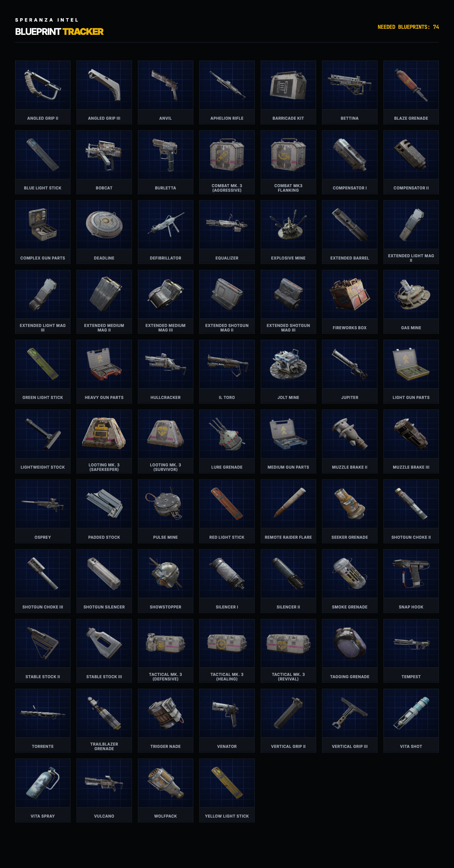
 | Blueprints | Type

1 | Angled Grip II | Attachment
2 | Angled Grip III | Attachment
3 | Aphelion Rifle | Weapon
4 | Anvil | Weapon
5 | Barricade Kit | Equipment
6 | Bettina | Weapon
7 | Blaze Grenade | Throwable
8 | Blue Light Stick | Equipment
9 | Bobcat | Weapon
10 | Burletta | Weapon
11 | Combat Mk. 3 (Flanking) | Equipment
12 | Combat Mk. 3 (Aggressive) | Equipment
13 | Compensator II | Attachment
14 | Compensator III | Attachment
15 | Complex Gun Parts | Crafting Material
16 | Deadline | Equipment
17 | Defibrillator | Equipment
18 | El' Toro | Weapon
19 | Equalizer | Weapon
20 | Explosive Mine | Equipment
21 | Extended Barrel | Attachment
22 | Extended Light Mag II | Attachment
23 | Extended Light Mag III | Attachment
24 | Extended Medium Mag II | Attachment
25 | Extended Medium Mag III | Attachment
26 | Extended Shotgun Mag II | Attachment
27 | Extended Shotgun Mag III | Attachment
28 | Firework Box | Equipment
29 | Gas Mine | Equipment
30 | Green Light Stick | Equipment
31 | Heavy Gun Parts | Crafting Material
32 | Hullcracker | Weapon
33 | Jolt Mine | Equipment
34 | Jupitar | Weapon
35 | Light Gun Parts | Crafting Material
36 | Lightweight Stock | Attachment
37 | Looting Mk. 3 (Safekeeper) | Equipment
38 | Looting Mk. 3 (Survivor) | Equipment
39 | Lure Grenade | Throwable
40 | Medium Gun Parts | Crafting Material
41 | Muzzle Brake II | Attachment
42 | Muzzle Brake III | Attachment
43 | Osprey | Weapon
44 | Padded Stock | Attachment
45 | Pulse Mine | Equipment
46 | Red Light Stick | Equipment
47 | Remote Raider Flare | Equipment
48 | Seeker Grenade | Throwable
49 | Shotgun Choke II | Attachment
50 | Shotgun Choke III | Attachment
51 | Shotgun Silencer | Attachment
52 | Showstopper | Weapon
53 | Silencer I | Attachment
54 | Silencer II | Attachment
55 | Smoke Grenade | Throwable
56 | Snap Hook | Equipment
57 | Stable Stock II | Attachment
58 | Stable Stock III | Attachment
59 | Tactical Mk. 3 (Defensive) | Equipment
60 | Tactical Mk. 3 (Healing) | Equipment
61 | Tactical Mk. 3 (Revival) | Equipment
62 | Tagging Grenade | Throwable
63 | Tempest | Weapon
64 | Torrentte | Weapon
65 | Trailblazer Grenade | Throwable
66 | Trigger Nade | Equipment
67 | Venator | Weapon
68 | Vertical Grip II | Attachment
69 | Vertical Grip III | Attachment
70 | Vita Shot | Consumable
71 | Vita Spray | Consumable
72 | Vulcano | Weapon
73 | Wolfpack | Weapon
74 | Yellow Light Stick | Equipment

